Sheet1
 |  | Document No. | Issue No. | Issue Date |  | Review and Replace Date |  | Authorised By
 |  | GFF225MC | 2 | 23.09.2020 |  | 13.10.2021 |  | Magda Shah
 |  | Document Title | 8 CHICKEN TIKKA PAKORA WITH MINT RAITA DIP 240g
Document amendments reason for change |  | Mint Raita changed to Piquant and shelf life reduced |  |  | Page 1 of 1 | Previous Issue Date | 23.09.2020 | Uncontrolled copy unless signed original

CCTPKB-R1TEB | BOOTHS - XMAS |  | 8 CHICKEN TIKKA PAKORA WITH MINT RAITA DIP 240g
STEP 1 |  |  |  |  | STEP 2
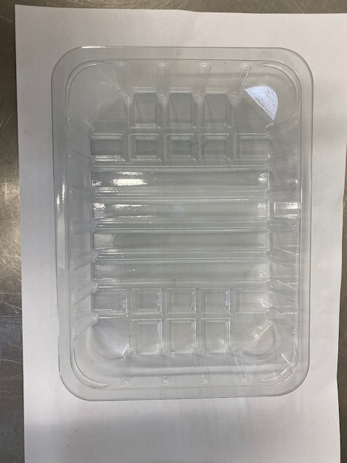 |  |  |  |  | 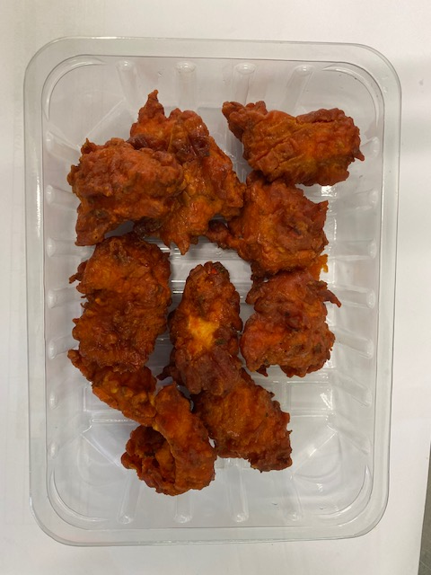

Tray: SK4-PLAIN CLEAR (PKESS001-07) |  |  |  |  | Chicken Tikka Pakora (GFF328R): 200g Minimum 8 pieces
Film: ME410AFV2, 410mm wide x 1000m linear PET Antifog WELD seal (PKPRO001-12)
STEP 3 |  |  |  |  | STEP 4
FROZEN
1 YEAR
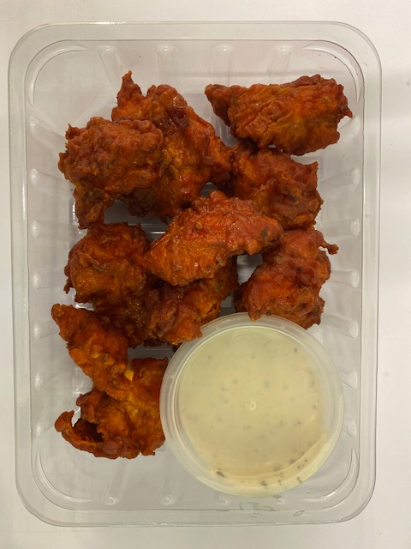

DEFROST DAY
+ 16 DAYS

COOK
+ 18 DAYS

30% Fat YOGHURT & MINT (RMPIQ001-01): 40g |  |  |  |  | TOTAL WEIGHT: 240g
Satco 2oz Pots with Lids (PKJEN001-03)
ALLERGY ALERT: Egg, Milk

